RESC Grant Calc
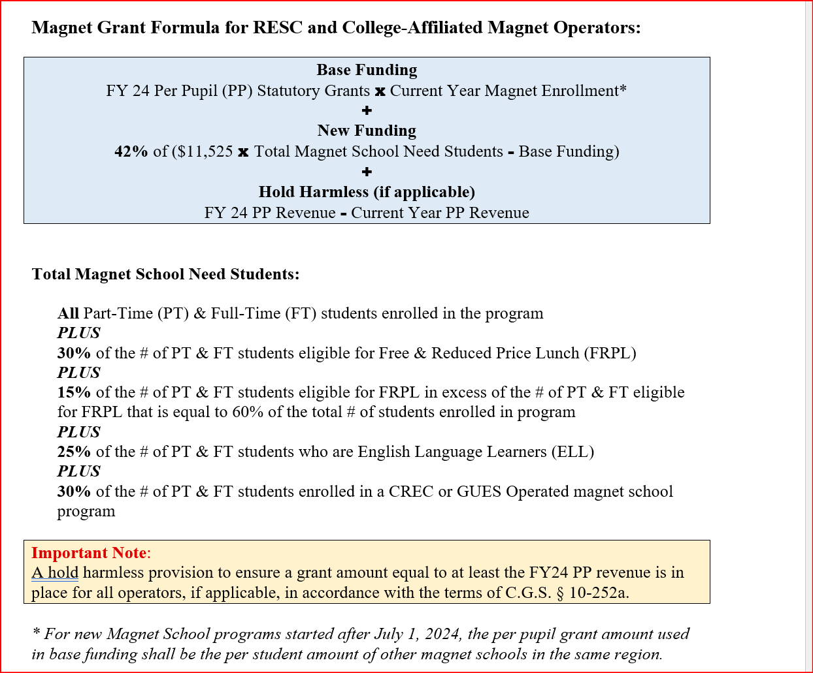
RESC and College-Affiliated- Magnet Grant Formula

 |  | FY26
A | Foundation: | $11,525
B | FRPL Weighting Factor: | 30%
C | Excess 60% FRPL Weight: | 15%
D | ELL Weighting Factor: | 25%
E | Sheff Weighting Factor: | 30%

FY 2026 |  |  |  |  |  |  |  |  |  |  |  |  |  |  |  | HOLD HARMLESS
Dist | Dist Name | Student Count | FRPL Count | FRPL Weighted Students | 60% of Student Enrollment | # FRPL Students Above 60% Student Count | Concentrated Poverty Weighted Students | ELL Count | ELL Weighted Students | Sheff Weighted Students | Total Mag Sch Prog Need Students | (A) Grant Entitlement Under New Formula | (B) Grant Entitlement with CL PP Grants Mult By FY25 Count | (C) 42% of Difference of A & B | (D) Grant Entitlement (B+C) | (E) 58% Tuition Cap Amt | FY26 Grant Plus 58% Tuition (D+E) | FY26 Revenue PP | FY25 Total Revenue PP | Hold Harmless | Hold Harmless Amount | Total FY26 Grant Ent Plus HH | Direct Enrollment Penalty | PYA | Total FY26 Grant
xxx | School A | 778 | 521 | 156.30 | 466.80 | 54 | 8.13 | 119 | 29.75 | 233.40 | 1,205.58 | $13,894,310 | $8,287,256 | $2,354,963 | $10,642,219 | $2,888,838 | $13,531,057 | 17,392 | 17,054 |  | 0 | $10,642,219 |  |  | $10,642,219

