Instructions
Worksheet to Calculate the Weekly Percentage of Whole Grain-rich
Menu Items in School Lunch and Breakfast Menus for Grades K-12

Effective July 1, 2022, the USDA’s final rule, Transitional Standards for Milk, Whole Grains, and Sodium, requires that at least 80 percent) of the weekly grains offered to grades K-12 in the National School Lunch Program (NSLP) and School Breakfast Program (SBP) must be whole grain-rich (WGR). Grains that are not WGR must be enriched. These requirements also apply to the Seamless Summer Option (SSO) of the NSLP.

School food authorities (SFAs) may use this tool to calculate the percentage of WGR grains in the weekly lunch or breakfast menu. This calculation is based on the total ounce equivalents (oz eq) of WGR and enriched grains offered at lunch or breakfast over the week.

Worksheet Instructions

1. | This worksheet contains a separate tab for each menu day. Click on the applicable tab at the bottom of this Excel file. For example, for a 5-day week, use the tabs for "Day 1 Offered Grains" through "Day 5 Offered Grains."

2. | Enter the information for all grain items offered with each meal choice on each day of the weekly menu. For information on what to enter, refer to the second tab, How to Enter Information. For guidance on how to determine the oz eq contribution of a commercial product or standardized recipe, refer to the Connecticut State Department of Education's (CSDE) resources below.

 | • | Grain Ounce Equivalents for Grades K-12 in the NSLP and SBP
 | • | Calculation Methods for Grain Ounce Equivalents for Grades K-12 in the NSLP and SBP

3. | After completing the daily tabs, a summary of the weekly menu's percentage of WGR grains will appear in the third tab, Weekly Menu Summary.

4. | Complete separate worksheets for the weekly lunch menu and the weekly breakfast menu.

5. | Maintain completed worksheets on file for the Administrative Review of the school nutrition programs. The CSDE recommends maintaining completed worksheets electronically in a folder on the computer. Printed copies are not required. Note: Maintain supporting documentation to indicate the oz eq of each grain menu item. Documentation for commercial products includes a Child Nutrition (CN) label (if the grain is part of a meat/meat alternate product) or a manufacturer’s product formulation statement (PFS). For foods made from scratch, SFAs must have standardized recipes that indicate the weight of creditable grains. For more information, refer to the CSDE's resources below.

 | • | Using Child Nutrition (CN) Labels in the School Nutrition Programs
 | • | Using Product Formulation Statements in the School Nutrition Programs

Calculating the Weekly Percentage of Whole Grain-rich Menu Items in the
National School Lunch Program (NSLP) and School Breakfast Program (SBP)

In accordance with federal civil rights law and U.S. Department of Agriculture (USDA) civil rights regulations and policies, this institution is prohibited from discriminating on the basis of race, color, national origin, sex (including gender identity and sexual orientation), disability, age, or reprisal or retaliation for prior civil rights activity.
Program information may be made available in languages other than English. Persons with disabilities who require alternative means of communication to obtain program information (e.g., Braille, large print, audiotape, American Sign Language), should contact the responsible state or local agency that administers the program or USDA’s TARGET Center at (202) 720-2600 (voice and TTY) or contact USDA through the Federal Relay Service at (800) 877-8339.
To file a program discrimination complaint, a Complainant should complete a Form AD-3027, USDA Program Discrimination Complaint Form which can be obtained online at: https://www.usda.gov/sites/default/ files/documents/ad-3027.pdf, from any USDA office, by calling (866) 632-9992, or by writing a letter addressed to USDA. The letter must contain the complainant’s name, address, telephone number, and a written description of the alleged discriminatory action in sufficient detail to inform the Assistant Secretary for Civil Rights (ASCR) about the nature and date of an alleged civil rights violation. The completed AD-3027 form or letter must be submitted to USDA by:
(1) mail: U.S. Department of Agriculture Office of the Assistant Secretary for Civil Rights 1400 Independence Avenue, SW Washington, D.C. 20250-9410; or
(2) fax: (202) 690-7442; or
(3) email: program.intake@usda.gov.
This institution is an equal opportunity provider.
The Connecticut State Department of Education is committed to a policy of equal opportunity/affirmative action for all qualified persons. The Connecticut Department of Education does not discriminate in any employment practice, education program, or educational activity on the basis of race; color; religious creed; age; sex; pregnancy; sexual orientation; workplace hazards to reproductive systems, gender identity or expression; marital status; national origin; ancestry; retaliation for previously opposed discrimination or coercion, intellectual disability; genetic information; learning disability; physical disability (including, but not limited to, blindness); mental disability (past/present history thereof); military or veteran status; status as a victim of domestic violence; or criminal record in state employment, unless there is a bona fide occupational qualification excluding persons in any of the aforementioned protected classes. Inquiries regarding the Connecticut State Department of Education’s nondiscrimination policies should be directed to: Attorney Louis Todisco, Connecticut State Department of Education, by mail 450 Columbus Boulevard, Hartford, CT 06103-1841; or by telephone 860-713-6594; or by email louis.todisco@ct.gov.

How to Enter Information
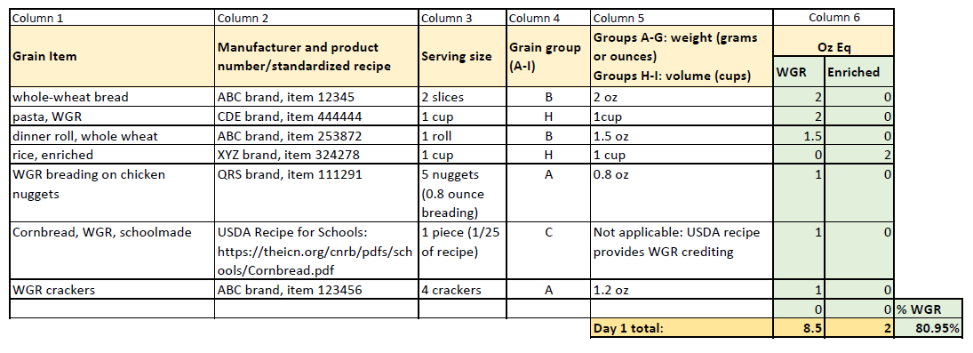
Worksheet to Calculate the Weekly Percentage of Whole Grain-rich
Menu Items in School Lunch and Breakfast Menus for Grades K-12

How to Enter Information

 | Column 1 - Grain item: List each grain item offered with each meal choice for each day of the weekly menu.
•

• | Column 2 - Manufacturer and product number (commercial grains) or standardized recipe: For commercial grain products, list the manufacturer and the grain item’s product number. For grains made from scratch, list the recipe name and the recipe number, if available.

• | Column 3 - Serving size (amount): List the serving size of each grain item. For example, 2 slices of whole-wheat bread, 1 dinner roll, 1 piece of cornbread, 6 breaded chicken nuggets, and ½ cup of cooked pasta.

• | Column 4 - Grain group (A-I): List the grain group (A-I) where the product belongs in the USDA's ounce equivalent chart. Refer to the CSDE's resoruce below.

 | • | Grain Ounce Equivalents for Grades K-12 in the NSLP and SBP

• | Column 5 - Groups A-G: weight (grams or ounces) Groups H-I: volume: For commercial grain products in groups A-G of the USDA’s Exhibit A chart, list the weight (grams or ounces) of the serving from the product’s Nutrition Facts label. For grain products in group I (such as pasta, rice, and quinoa), list the cooked volume, e.g., ½ cup of cooked brown rice and ½ cup of cooked oatmeal. For grains made from scratch, list the weight (grams or ounces) of the serving from the standardized recipe. Note: Many standardized recipes do not indicate the serving weight. If the the serving weight is missing, calculate the average weight per serving by weighing at least four samples of the cooked product. Refer to the CSDE’s resource below.

 | • | Yield Study Data Form for Child Nutrition Programs

 | For USDA recipes, indicate “not applicable.” These standardized recipes specify meal pattern crediting information, including the oz eq of the grains component.

• | Column 6 - Oz Eq: If the grain item is WGR, list the oz eq in the “WGR” column. If the grain item is enriched, list the oz eq in the “Enriched” column. Note: The minimum creditable amount for the grains component is ¼ ounce equivalent.

Below is a completed sample for a lunch menu.

