Queries
Note: These are last year's screenshots. All queries were run for 10/1/22 - 9/30/23.

Total Days

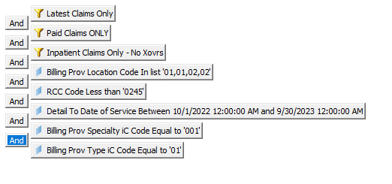

Child | BH days less than 19

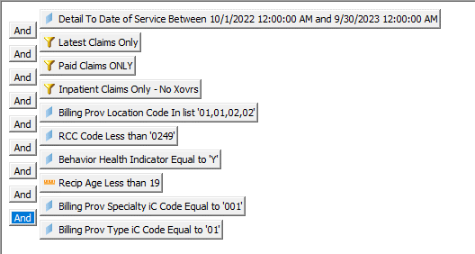

Nursery Days

