Queries
Note: These are last year's screenshots. All queries were run for 10/1/20 - 9/30/21.

Total Days
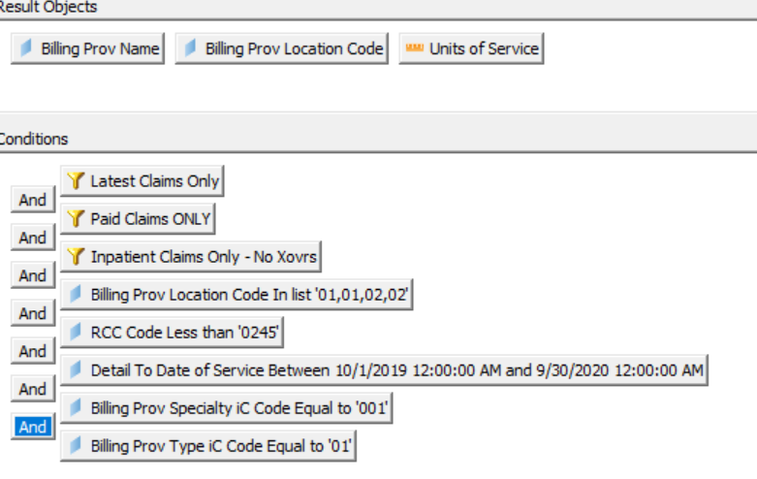

Child | BH days less than 19

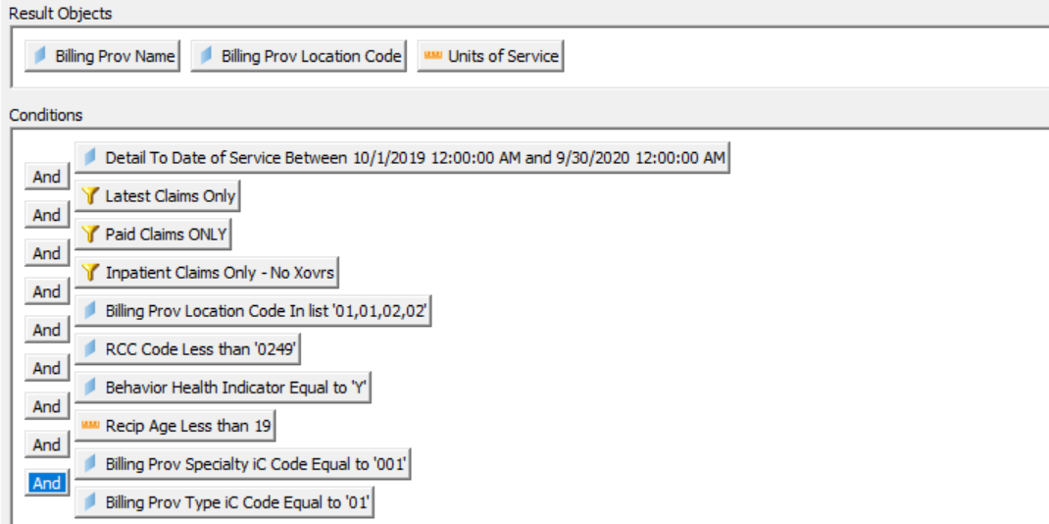

Nursery Days
