Instructions
Reimbursement Verification Tool for the School Security Grant Program

READ THE INSTRUCTIONS BELOW PRIOR TO FILLING OUT THIS WORKBOOK
STEP 1 | Review all reimbursement request documents prior to beginning the reimbursement process. You can find these documents on the DEMHS website within the School Security Competitive Grant Program page (https://portal.ct.gov/DEMHS/Grants/School-Security-Competitive-Grant-Program-Overview/Program-Forms).
STEP 2 | To navigate this document use the tabs at the bottom of this excel window. This workbook contains an instructions tab (this page) and the Reimbursement Tool tab.
STEP 3 | 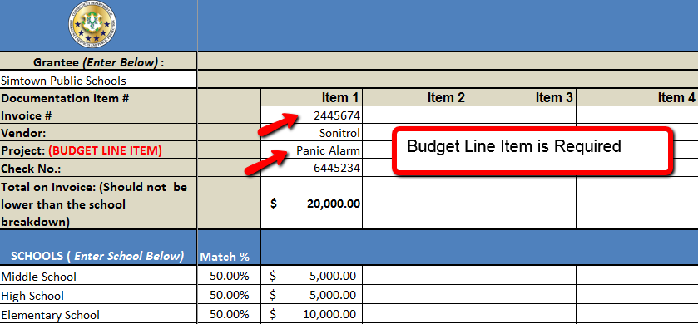 List Invoices across the top of the tool and the project, checks and invoices associated with it. The approved budget line item (IE. Panic Alarms, Door Locks) is required for each item.
STEP 4 | 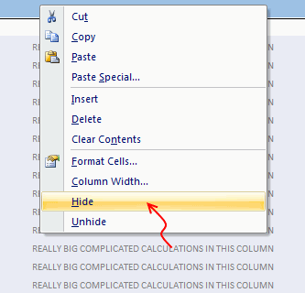 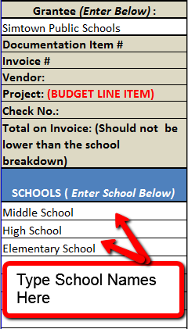 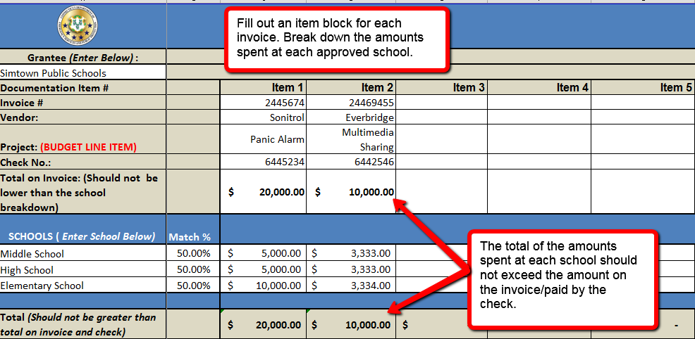 List the Schools which you are seeking reimbursement for and the amounts spent at each school for each corresponding invoice. School totals should match invoice totals. Hint: You can hide the extra school rows by selecting the row number, left clicking and selecting hide row. If you need additional space contact Schoolsecuritygrant@ct.gov.
STEP 5 | Once complete, review for correctnes and submit electronically to schoolsecuritygrant@ct.gov.

updated 20240320

