pdf of Agreement
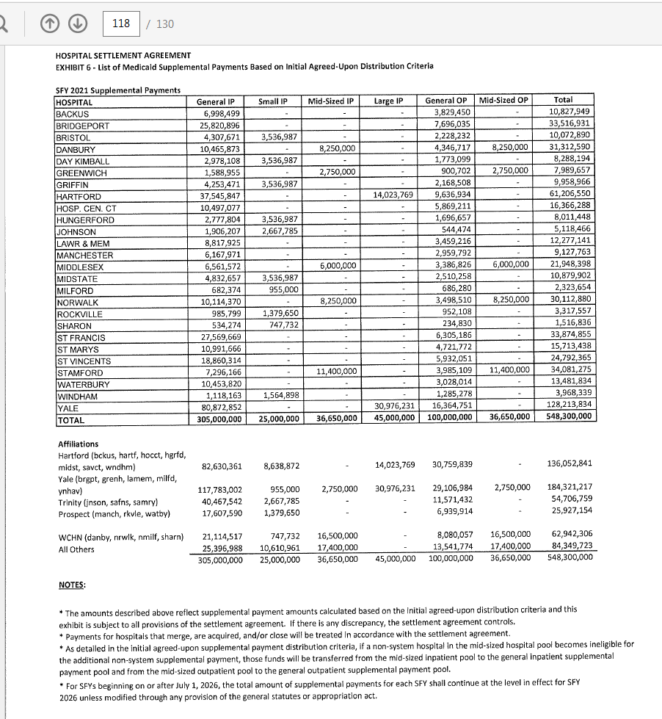
Settlement Agreement

