Instructions
Safe Schools Checklist -Application Reporting Tool Overview & Instructions

- | This shortened checklist is required for all schools being applied for under this grant program. A new document is required for each school.

- | The numbers in this shortened Safe Schools Checklist correspond to the full NCEF Safe Schools Facilities checklist. This assessment must be completed electronically and submitted as an excel file to Schoolsecuritygrant@ct.gov and in hard copy with your application.

1 | 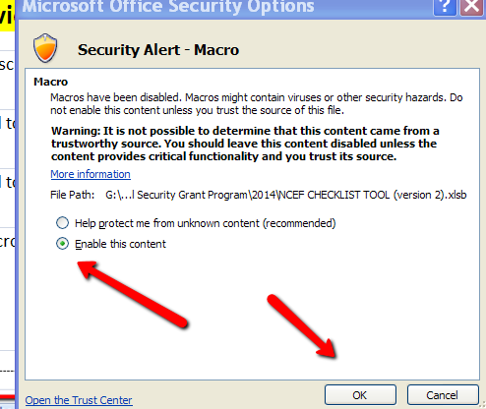 IF prompted to do by your computer, please enable all macros.

2 | OPEN up Checklist tab.

3 | ENTER information into the data-block on the top of the page. This must be filled out in its entirety for each school. Failure to do so may disqualify your application.

4 | ENTER either YES or No for the selected questions, other answers cannot be considered. If it is not applicable please leave your answer blank. Make sure you click on the cell you are tying to answer.

5 | When complete, send your completed checklist via email to the Grant Unit-School Security by using the following email schoolsecuritygrant@ct.gov. This checklist must be received electronically for each school in the application to be considered for funding under this grant program.

