About
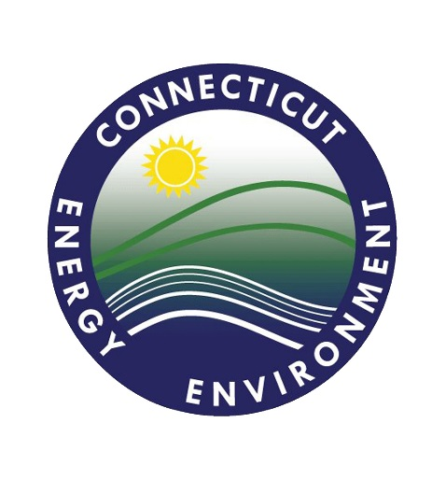
 |  | VW Diesel Emissions Mitigation Program Fleet Information Worksheet
 |  | CT DEEP
 |  | v1.1

Replacement or Repower of On-Road Heavy Duty Vehicles |  |  | 2018
Replacement or Repower of Non-Road Equipment |  |  | 2019
Repower or Engine Upgrade for Commercial Marine Vessels |  |  | 2020
Replacement or Repower of Locomotives |  |  | 2021
 |  |  | 2022

Class 8 | Electric | Diesel
Class 7 | Hydrogen | Gasoline
Class 6 |  | CNG
Class 5 |  | Propane
Class 4 |  | Electric
 |  | Hydrogen

Local Freight Truck | Airport GSE | Ferry Propulsion Engine | Freight Switcher | Select Type of Project Above
Port Drayage Truck | Forklift | Ferry Auxiliary Engine
School Bus | Port Cargo Handling | Tug Propulsion Engine
Shuttle Bus |  | Tug Auxiliary Engine
Transit Bus

